Sheet 1
IMAGE | STYLE+COLOR | CATEGORY | Style Number | Style Name | COLOR | ATS
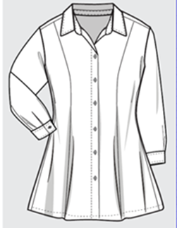 X | DO28820X CLOUD | DRESS | DO28820X | FIT AND FLARE SHIRT DRESS | CLOUD | 4430
X | BO28284F BLURRY FLORAL | DRESS | BO28284F | NOLA DRESS | BLURRY FLORAL | 2157
X | BO28285F Leopard | DRESS | BO28285F | NOLA DRESS | Leopard | 2635
X | BO28540F BLACK MULTI | DRESS | BO28540F | NOLA DRESS | BLACK MULTI | 3869
X | DO18617F CARAMEL ZEBRA | DRESS | DO18617F | CHRISTINA RUFFLE MINI | CARAMEL ZEBRA | 1545
 |  | DRESS Total |  |  |  | 14636

